Sheet
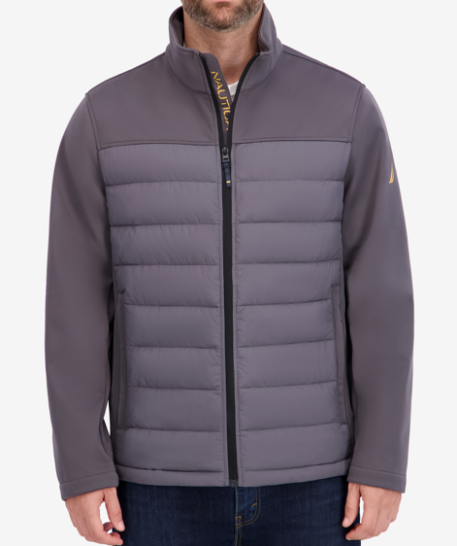
TLGDIV NAME | Style | Style Name | Color_code | Color Name | Size Desc | OTS ST WIP | Image
NAUTICA MENS | 208004327 | TRANSITIONAL MIXED MEDIA JACKET | BLK | BLACK | S | 20
NAUTICA MENS | 208004327 | TRANSITIONAL MIXED MEDIA JACKET | BLK | BLACK | M | 26
NAUTICA MENS | 208004327 | TRANSITIONAL MIXED MEDIA JACKET | BLK | BLACK | L | 43
NAUTICA MENS | 208004327 | TRANSITIONAL MIXED MEDIA JACKET | BLK | BLACK | XL | 22
NAUTICA MENS | 208004327 | TRANSITIONAL MIXED MEDIA JACKET | BLK | BLACK | XXL | 15
NAUTICA MENS | 208004327 | TRANSITIONAL MIXED MEDIA JACKET | MTA | METAL GREY | S | 31
NAUTICA MENS | 208004327 | TRANSITIONAL MIXED MEDIA JACKET | MTA | METAL GREY | M | 58
NAUTICA MENS | 208004327 | TRANSITIONAL MIXED MEDIA JACKET | MTA | METAL GREY | L | 52
NAUTICA MENS | 208004327 | TRANSITIONAL MIXED MEDIA JACKET | MTA | METAL GREY | XL | 33
NAUTICA MENS | 208004327 | TRANSITIONAL MIXED MEDIA JACKET | MTA | METAL GREY | XXL | 16
NAUTICA MENS | 208004327 | TRANSITIONAL MIXED MEDIA JACKET | NSS | NAVY SEAS | S | 8
NAUTICA MENS | 208004327 | TRANSITIONAL MIXED MEDIA JACKET | NSS | NAVY SEAS | M | 15
NAUTICA MENS | 208004327 | TRANSITIONAL MIXED MEDIA JACKET | NSS | NAVY SEAS | L | 34
NAUTICA MENS | 208004327 | TRANSITIONAL MIXED MEDIA JACKET | NSS | NAVY SEAS | XL | 15
NAUTICA MENS | 208004327 | TRANSITIONAL MIXED MEDIA JACKET | NSS | NAVY SEAS | XXL | 12
NAUTICA MENS | 208004327 | TRANSITIONAL MIXED MEDIA JACKET | OLB | OLVBROWN | S | 5
NAUTICA MENS | 208004327 | TRANSITIONAL MIXED MEDIA JACKET | OLB | OLVBROWN | M | 26
NAUTICA MENS | 208004327 | TRANSITIONAL MIXED MEDIA JACKET | OLB | OLVBROWN | L | 24
NAUTICA MENS | 208004327 | TRANSITIONAL MIXED MEDIA JACKET | OLB | OLVBROWN | XL | 25
 | 208004327 Total |  |  |  |  | 480
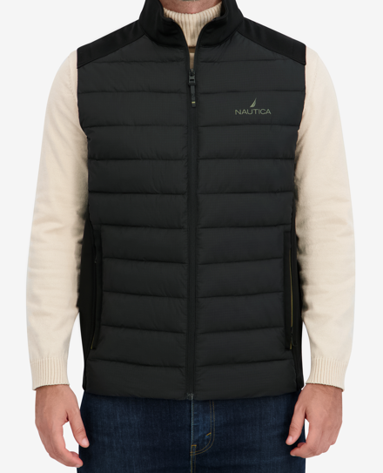
NAUTICA MENS | 208004399 | TRANSITIONAL MIXED MEDIA VEST | BLK | BLACK | S | 13
NAUTICA MENS | 208004399 | TRANSITIONAL MIXED MEDIA VEST | BLK | BLACK | M | 23
NAUTICA MENS | 208004399 | TRANSITIONAL MIXED MEDIA VEST | BLK | BLACK | L | 30
NAUTICA MENS | 208004399 | TRANSITIONAL MIXED MEDIA VEST | BLK | BLACK | XL | 27
NAUTICA MENS | 208004399 | TRANSITIONAL MIXED MEDIA VEST | BLK | BLACK | XXL | 21
NAUTICA MENS | 208004399 | TRANSITIONAL MIXED MEDIA VEST | MTA | METAL GREY | S | 12
NAUTICA MENS | 208004399 | TRANSITIONAL MIXED MEDIA VEST | MTA | METAL GREY | M | 30
NAUTICA MENS | 208004399 | TRANSITIONAL MIXED MEDIA VEST | MTA | METAL GREY | L | 59
NAUTICA MENS | 208004399 | TRANSITIONAL MIXED MEDIA VEST | MTA | METAL GREY | XL | 17
NAUTICA MENS | 208004399 | TRANSITIONAL MIXED MEDIA VEST | NSS | NAVY SEAS | S | 10
NAUTICA MENS | 208004399 | TRANSITIONAL MIXED MEDIA VEST | NSS | NAVY SEAS | M | 19
NAUTICA MENS | 208004399 | TRANSITIONAL MIXED MEDIA VEST | NSS | NAVY SEAS | L | 46
NAUTICA MENS | 208004399 | TRANSITIONAL MIXED MEDIA VEST | NSS | NAVY SEAS | XL | 23
NAUTICA MENS | 208004399 | TRANSITIONAL MIXED MEDIA VEST | NSS | NAVY SEAS | XXL | 20
 | 208004399 Total |  |  |  |  | 350
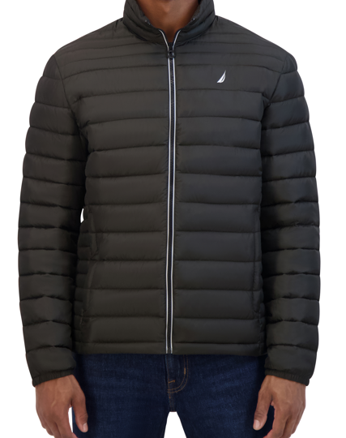
NAUTICA MENS | 208000554 | Feather Weight Quilted Jacket | B31 | BERRY RED | S-XL (2-4-4-2) | 1,788
NAUTICA MENS | 208000554 | Feather Weight Quilted Jacket | B31 | BERRY RED | M-XXL (2-4-4-2) | 432
NAUTICA MENS | 208000554 | Feather Weight Quilted Jacket | BLK | BLACK | S | 2
NAUTICA MENS | 208000554 | Feather Weight Quilted Jacket | BLK | BLACK | M | 4
NAUTICA MENS | 208000554 | Feather Weight Quilted Jacket | BLK | BLACK | L | 4
NAUTICA MENS | 208000554 | Feather Weight Quilted Jacket | BLK | BLACK | XL | 2
NAUTICA MENS | 208000554 | Feather Weight Quilted Jacket | BLK | BLACK | S-XL (2-4-4-2) | 6,780
NAUTICA MENS | 208000554 | Feather Weight Quilted Jacket | BLK | BLACK | M-XXL (2-4-4-2) | 2,868
NAUTICA MENS | 208000554 | Feather Weight Quilted Jacket | DFS | DKFOREST | S-XL (2-4-4-2) | 588
NAUTICA MENS | 208000554 | Feather Weight Quilted Jacket | DFS | DKFOREST | M-XXL (2-4-4-2) | 900
NAUTICA MENS | 208000554 | Feather Weight Quilted Jacket | MTA | METAL GREY | M-XXL (2-4-4-2) | 900
NAUTICA MENS | 208000554 | Feather Weight Quilted Jacket | NVY | NAVY | S-XL (2-4-4-2) | 3,348
NAUTICA MENS | 208000554 | Feather Weight Quilted Jacket | NVY | NAVY | M-XXL (2-4-4-2) | 1,164
 | 208000554 Total |  |  |  |  | 18,780
NAUTICA MENS | 208001211 | QUILTED JACKET | B31 | BERRY RED | S | 46
NAUTICA MENS | 208001211 | QUILTED JACKET | B31 | BERRY RED | M | 143
NAUTICA MENS | 208001211 | QUILTED JACKET | B31 | BERRY RED | L | 192
NAUTICA MENS | 208001211 | QUILTED JACKET | B31 | BERRY RED | XL | 121
NAUTICA MENS | 208001211 | QUILTED JACKET | B31 | BERRY RED | XXL | 73
NAUTICA MENS | 208001211 | QUILTED JACKET | B31 | BERRY RED | S-XL (2-4-4-2) | 1,776
NAUTICA MENS | 208001211 | QUILTED JACKET | BLK | BLACK | S | 237
NAUTICA MENS | 208001211 | QUILTED JACKET | BLK | BLACK | M | 494
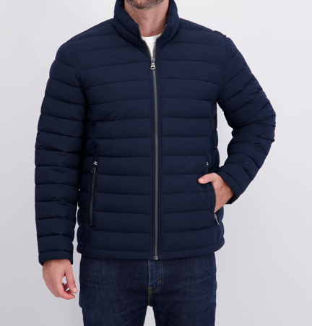
NAUTICA MENS | 208001211 | QUILTED JACKET | BLK | BLACK | L | 787
NAUTICA MENS | 208001211 | QUILTED JACKET | BLK | BLACK | XL | 436
NAUTICA MENS | 208001211 | QUILTED JACKET | BLK | BLACK | XXL | 150
NAUTICA MENS | 208001211 | QUILTED JACKET | BLK | BLACK | S-XL (2-4-4-2) | 576
NAUTICA MENS | 208001211 | QUILTED JACKET | CLG | CLOUD GREY | S | 92
NAUTICA MENS | 208001211 | QUILTED JACKET | CLG | CLOUD GREY | M | 171
NAUTICA MENS | 208001211 | QUILTED JACKET | CLG | CLOUD GREY | L | 268
NAUTICA MENS | 208001211 | QUILTED JACKET | CLG | CLOUD GREY | XL | 130
NAUTICA MENS | 208001211 | QUILTED JACKET | CLG | CLOUD GREY | XXL | 8
NAUTICA MENS | 208001211 | QUILTED JACKET | CLG | CLOUD GREY | S-XL (2-4-4-2) | 876
NAUTICA MENS | 208001211 | QUILTED JACKET | DDN | DKDENIM | S | 92
NAUTICA MENS | 208001211 | QUILTED JACKET | DDN | DKDENIM | M | 258
NAUTICA MENS | 208001211 | QUILTED JACKET | DDN | DKDENIM | L | 434
NAUTICA MENS | 208001211 | QUILTED JACKET | DDN | DKDENIM | XL | 296
NAUTICA MENS | 208001211 | QUILTED JACKET | DDN | DKDENIM | XXL | 95
NAUTICA MENS | 208001211 | QUILTED JACKET | DDN | DKDENIM | S-XL (2-4-4-2) | 276
NAUTICA MENS | 208001211 | QUILTED JACKET | DFS | DKFOREST | S | 80
NAUTICA MENS | 208001211 | QUILTED JACKET | DFS | DKFOREST | M | 180
NAUTICA MENS | 208001211 | QUILTED JACKET | DFS | DKFOREST | L | 270
NAUTICA MENS | 208001211 | QUILTED JACKET | DFS | DKFOREST | XL | 143
NAUTICA MENS | 208001211 | QUILTED JACKET | DFS | DKFOREST | XXL | 26
NAUTICA MENS | 208001211 | QUILTED JACKET | DFS | DKFOREST | S-XL (2-4-4-2) | 288
NAUTICA MENS | 208001211 | QUILTED JACKET | NVY | NAVY | S | 128
NAUTICA MENS | 208001211 | QUILTED JACKET | NVY | NAVY | M | 355
NAUTICA MENS | 208001211 | QUILTED JACKET | NVY | NAVY | L | 614
NAUTICA MENS | 208001211 | QUILTED JACKET | NVY | NAVY | XL | 424
NAUTICA MENS | 208001211 | QUILTED JACKET | NVY | NAVY | XXL | 136
NAUTICA MENS | 208001211 | QUILTED JACKET | NVY | NAVY | S-XL (2-4-4-2) | 1,464
NAUTICA MENS | 208001211 | QUILTED JACKET | OLB | OLVBROWN | L | 1
 | 208001211 Total |  |  |  |  | 12,136
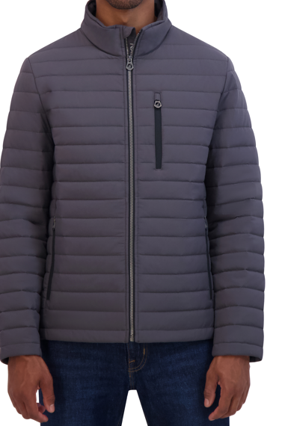
NAUTICA MENS | 208001223 | LT WEIGHT QUILTED JACKET | B1B | BOLD BURGUNDY | M | 2
NAUTICA MENS | 208001223 | LT WEIGHT QUILTED JACKET | B1B | BOLD BURGUNDY | XL | 1
NAUTICA MENS | 208001223 | LT WEIGHT QUILTED JACKET | B31 | BERRY RED | S-XL (2-4-4-2) | 300
NAUTICA MENS | 208001223 | LT WEIGHT QUILTED JACKET | DDN | DKDENIM | S-XL (2-4-4-2) | 1,500
NAUTICA MENS | 208001223 | LT WEIGHT QUILTED JACKET | MTA | METAL GREY | M | 1
NAUTICA MENS | 208001223 | LT WEIGHT QUILTED JACKET | MTA | METAL GREY | S-XL (2-4-4-2) | 2,700
NAUTICA MENS | 208001223 | LT WEIGHT QUILTED JACKET | NVY | NAVY | M | 1
NAUTICA MENS | 208001223 | LT WEIGHT QUILTED JACKET | NVY | NAVY | L | 2
NAUTICA MENS | 208001223 | LT WEIGHT QUILTED JACKET | NVY | NAVY | XL | 1

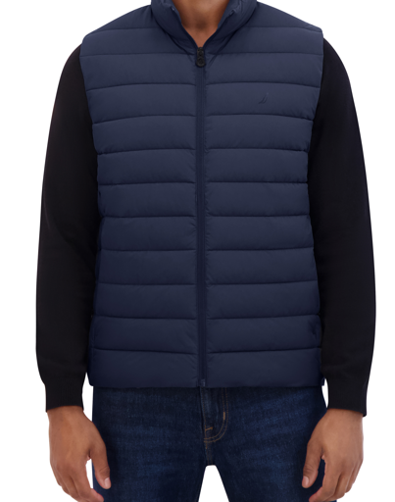
 | 208001223 Total |  |  |  |  | 4,508
NAUTICA MENS | 208001378 | LT WEIGHT QUILTED VEST | B31 | BERRY RED | S-XL (2-4-4-2) | 552
NAUTICA MENS | 208001378 | LT WEIGHT QUILTED VEST | B31 | BERRY RED | M-XXL (2-4-4-2) | 276
NAUTICA MENS | 208001378 | LT WEIGHT QUILTED VEST | BLK | BLACK | S | 12
NAUTICA MENS | 208001378 | LT WEIGHT QUILTED VEST | BLK | BLACK | M | 24
NAUTICA MENS | 208001378 | LT WEIGHT QUILTED VEST | BLK | BLACK | L | 23
NAUTICA MENS | 208001378 | LT WEIGHT QUILTED VEST | BLK | BLACK | XL | 12
NAUTICA MENS | 208001378 | LT WEIGHT QUILTED VEST | BLK | BLACK | M-XXL (2-4-4-2) | 3,120
NAUTICA MENS | 208001378 | LT WEIGHT QUILTED VEST | DDN | DKDENIM | S-XL (2-4-4-2) | 1,152
NAUTICA MENS | 208001378 | LT WEIGHT QUILTED VEST | DDN | DKDENIM | M-XXL (2-4-4-2) | 336
NAUTICA MENS | 208001378 | LT WEIGHT QUILTED VEST | GBN | GOLDEN BROWN | S-XL (2-4-4-2) | 564
NAUTICA MENS | 208001378 | LT WEIGHT QUILTED VEST | GBN | GOLDEN BROWN | M-XXL (2-4-4-2) | 276
NAUTICA MENS | 208001378 | LT WEIGHT QUILTED VEST | MTA | METAL GREY | XL | 40
NAUTICA MENS | 208001378 | LT WEIGHT QUILTED VEST | MTA | METAL GREY | XXL | 50
NAUTICA MENS | 208001378 | LT WEIGHT QUILTED VEST | MTA | METAL GREY | M-XXL (2-4-4-2) | 1,980
NAUTICA MENS | 208001378 | LT WEIGHT QUILTED VEST | NVY | NAVY | M-XXL (2-4-4-2) | 3,300
NAUTICA MENS | 208001378 | LT WEIGHT QUILTED VEST | OLB | OLVBROWN | S-XL (2-4-4-2) | 360
NAUTICA MENS | 208001378 | LT WEIGHT QUILTED VEST | OLB | OLVBROWN | M-XXL (2-4-4-2) | 12
 | 208001378 Total |  |  |  |  | 12,089
NAUTICA MENS | 208004155 | HOODED TRANSITIONAL JACKET | B31 | BERRY RED | S | 27
NAUTICA MENS | 208004155 | HOODED TRANSITIONAL JACKET | B31 | BERRY RED | M | 91
NAUTICA MENS | 208004155 | HOODED TRANSITIONAL JACKET | B31 | BERRY RED | L | 173
NAUTICA MENS | 208004155 | HOODED TRANSITIONAL JACKET | B31 | BERRY RED | XL | 164
NAUTICA MENS | 208004155 | HOODED TRANSITIONAL JACKET | B31 | BERRY RED | XXL | 86
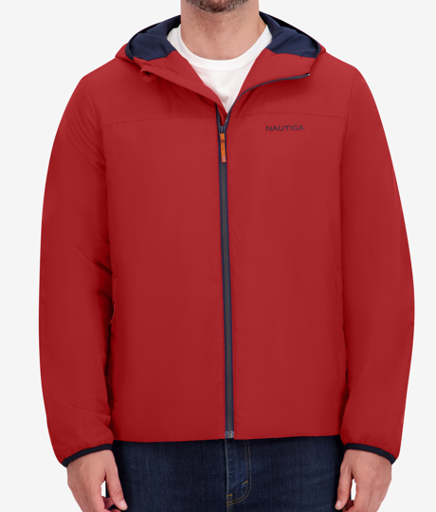
NAUTICA MENS | 208004155 | HOODED TRANSITIONAL JACKET | BLK | BLACK | S | 127
NAUTICA MENS | 208004155 | HOODED TRANSITIONAL JACKET | BLK | BLACK | M | 393
NAUTICA MENS | 208004155 | HOODED TRANSITIONAL JACKET | BLK | BLACK | L | 673
NAUTICA MENS | 208004155 | HOODED TRANSITIONAL JACKET | BLK | BLACK | XL | 672
NAUTICA MENS | 208004155 | HOODED TRANSITIONAL JACKET | BLK | BLACK | XXL | 329
NAUTICA MENS | 208004155 | HOODED TRANSITIONAL JACKET | DDN | DKDENIM | S | 1
NAUTICA MENS | 208004155 | HOODED TRANSITIONAL JACKET | DDN | DKDENIM | L | 128
NAUTICA MENS | 208004155 | HOODED TRANSITIONAL JACKET | DDN | DKDENIM | XL | 193
NAUTICA MENS | 208004155 | HOODED TRANSITIONAL JACKET | DDN | DKDENIM | XXL | 92
NAUTICA MENS | 208004155 | HOODED TRANSITIONAL JACKET | MTA | METAL GREY | S | 23
NAUTICA MENS | 208004155 | HOODED TRANSITIONAL JACKET | MTA | METAL GREY | M | 52
NAUTICA MENS | 208004155 | HOODED TRANSITIONAL JACKET | MTA | METAL GREY | L | 50
NAUTICA MENS | 208004155 | HOODED TRANSITIONAL JACKET | MTA | METAL GREY | XL | 22
NAUTICA MENS | 208004155 | HOODED TRANSITIONAL JACKET | MTA | METAL GREY | XXL | 9
NAUTICA MENS | 208004155 | HOODED TRANSITIONAL JACKET | NSS | NAVY SEAS | S | 15
NAUTICA MENS | 208004155 | HOODED TRANSITIONAL JACKET | NSS | NAVY SEAS | M | 50
NAUTICA MENS | 208004155 | HOODED TRANSITIONAL JACKET | NSS | NAVY SEAS | L | 29
NAUTICA MENS | 208004155 | HOODED TRANSITIONAL JACKET | NSS | NAVY SEAS | XL | 4
NAUTICA MENS | 208004155 | HOODED TRANSITIONAL JACKET | NSS | NAVY SEAS | XXL | 10
NAUTICA MENS | 208004155 | HOODED TRANSITIONAL JACKET | NVY | NAVY | S | 4
NAUTICA MENS | 208004155 | HOODED TRANSITIONAL JACKET | NVY | NAVY | M | 88
NAUTICA MENS | 208004155 | HOODED TRANSITIONAL JACKET | NVY | NAVY | L | 279
NAUTICA MENS | 208004155 | HOODED TRANSITIONAL JACKET | NVY | NAVY | XL | 334
NAUTICA MENS | 208004155 | HOODED TRANSITIONAL JACKET | NVY | NAVY | XXL | 170
NAUTICA MENS | 208004155 | HOODED TRANSITIONAL JACKET | RIO | RIO RED | S | 27
NAUTICA MENS | 208004155 | HOODED TRANSITIONAL JACKET | RIO | RIO RED | M | 71
NAUTICA MENS | 208004155 | HOODED TRANSITIONAL JACKET | RIO | RIO RED | L | 63
NAUTICA MENS | 208004155 | HOODED TRANSITIONAL JACKET | RIO | RIO RED | XL | 35
NAUTICA MENS | 208004155 | HOODED TRANSITIONAL JACKET | RIO | RIO RED | XXL | 13
 | 208004155 Total |  |  |  |  | 4,497
NAUTICA MENS | 208005269 | TRANSITIONAL PACKABLE VEST | ALU | ALUMINIUM | S-XL (2-4-4-2) | 2,796
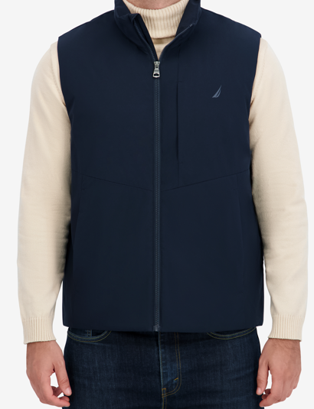
NAUTICA MENS | 208005269 | TRANSITIONAL PACKABLE VEST | BLK | BLACK | M | 2
NAUTICA MENS | 208005269 | TRANSITIONAL PACKABLE VEST | BLK | BLACK | S-XL (2-4-4-2) | 3,820
NAUTICA MENS | 208005269 | TRANSITIONAL PACKABLE VEST | NVY | NAVY | S-XL (2-4-4-2) | 1,356

 | 208005269 Total |  |  |  |  | 7,974
NAUTICA MENS | 208007574 | SHIRT COLLAR HERITAGE JACKET | BLK | BLACK | S | 351
NAUTICA MENS | 208007574 | SHIRT COLLAR HERITAGE JACKET | BLK | BLACK | M | 1,061
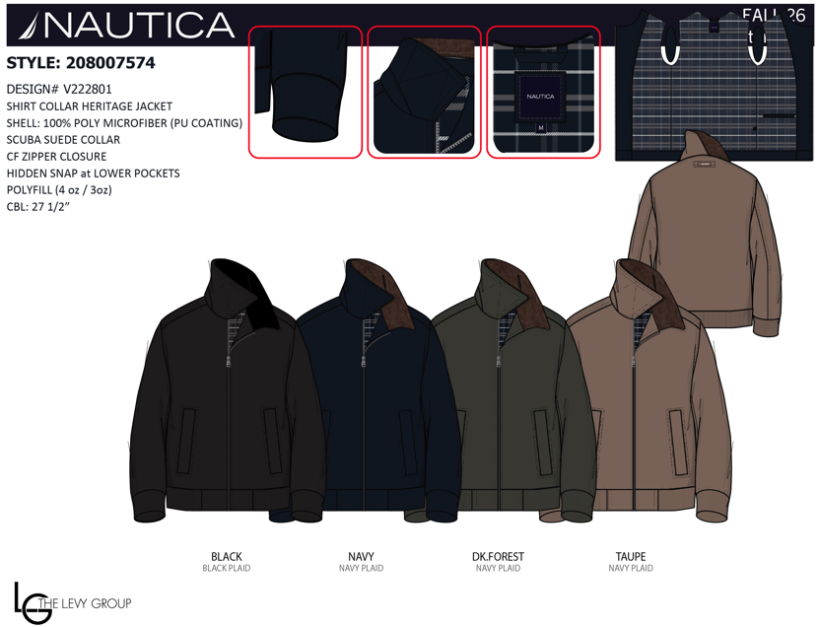
NAUTICA MENS | 208007574 | SHIRT COLLAR HERITAGE JACKET | BLK | BLACK | L | 1,898
NAUTICA MENS | 208007574 | SHIRT COLLAR HERITAGE JACKET | BLK | BLACK | XL | 1,728
NAUTICA MENS | 208007574 | SHIRT COLLAR HERITAGE JACKET | BLK | BLACK | XXL | 894
NAUTICA MENS | 208007574 | SHIRT COLLAR HERITAGE JACKET | DFS | DKFOREST | S | 148
NAUTICA MENS | 208007574 | SHIRT COLLAR HERITAGE JACKET | DFS | DKFOREST | M | 453
NAUTICA MENS | 208007574 | SHIRT COLLAR HERITAGE JACKET | DFS | DKFOREST | L | 860
NAUTICA MENS | 208007574 | SHIRT COLLAR HERITAGE JACKET | DFS | DKFOREST | XL | 829
NAUTICA MENS | 208007574 | SHIRT COLLAR HERITAGE JACKET | DFS | DKFOREST | XXL | 433
NAUTICA MENS | 208007574 | SHIRT COLLAR HERITAGE JACKET | NVY | NAVY | S | 322
NAUTICA MENS | 208007574 | SHIRT COLLAR HERITAGE JACKET | NVY | NAVY | M | 958
NAUTICA MENS | 208007574 | SHIRT COLLAR HERITAGE JACKET | NVY | NAVY | L | 1,729
NAUTICA MENS | 208007574 | SHIRT COLLAR HERITAGE JACKET | NVY | NAVY | XL | 1,579
NAUTICA MENS | 208007574 | SHIRT COLLAR HERITAGE JACKET | NVY | NAVY | XXL | 815
NAUTICA MENS | 208007574 | SHIRT COLLAR HERITAGE JACKET | TAU | TAUPE | S | 94
NAUTICA MENS | 208007574 | SHIRT COLLAR HERITAGE JACKET | TAU | TAUPE | M | 295
NAUTICA MENS | 208007574 | SHIRT COLLAR HERITAGE JACKET | TAU | TAUPE | L | 545
NAUTICA MENS | 208007574 | SHIRT COLLAR HERITAGE JACKET | TAU | TAUPE | XL | 505
NAUTICA MENS | 208007574 | SHIRT COLLAR HERITAGE JACKET | TAU | TAUPE | XXL | 264
 | 208007574 Total |  |  |  |  | 15,761
NAUTICA MENS | 208009117 | BOMBER JAKCET | BLK | BLACK | S | 592
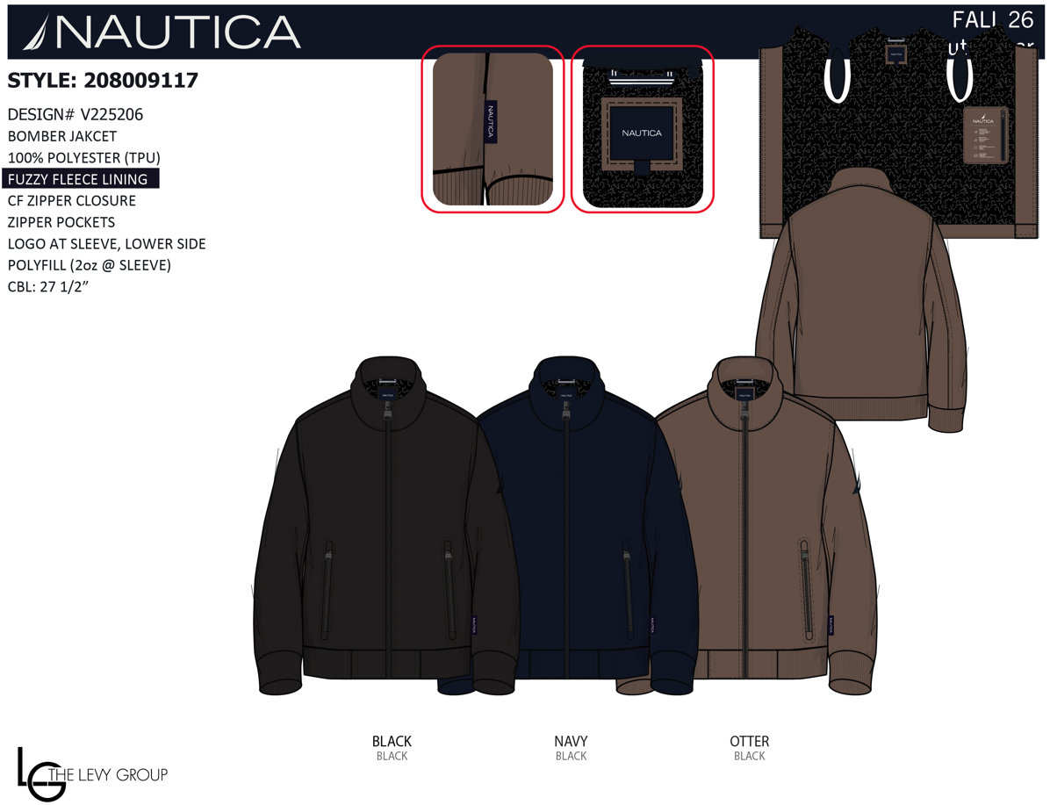
NAUTICA MENS | 208009117 | BOMBER JAKCET | BLK | BLACK | M | 1,785
NAUTICA MENS | 208009117 | BOMBER JAKCET | BLK | BLACK | L | 3,181
NAUTICA MENS | 208009117 | BOMBER JAKCET | BLK | BLACK | XL | 2,888
NAUTICA MENS | 208009117 | BOMBER JAKCET | BLK | BLACK | XXL | 1,490
NAUTICA MENS | 208009117 | BOMBER JAKCET | NVY | NAVY | S | 443
NAUTICA MENS | 208009117 | BOMBER JAKCET | NVY | NAVY | M | 1,208
NAUTICA MENS | 208009117 | BOMBER JAKCET | NVY | NAVY | L | 2,107
NAUTICA MENS | 208009117 | BOMBER JAKCET | NVY | NAVY | XL | 1,889
NAUTICA MENS | 208009117 | BOMBER JAKCET | NVY | NAVY | XXL | 988
NAUTICA MENS | 208009117 | BOMBER JAKCET | OTR | OTTER | S | 144
NAUTICA MENS | 208009117 | BOMBER JAKCET | OTR | OTTER | M | 313
NAUTICA MENS | 208009117 | BOMBER JAKCET | OTR | OTTER | L | 516
NAUTICA MENS | 208009117 | BOMBER JAKCET | OTR | OTTER | XL | 447
NAUTICA MENS | 208009117 | BOMBER JAKCET | OTR | OTTER | XXL | 243
 | 208009117 Total |  |  |  |  | 18,234
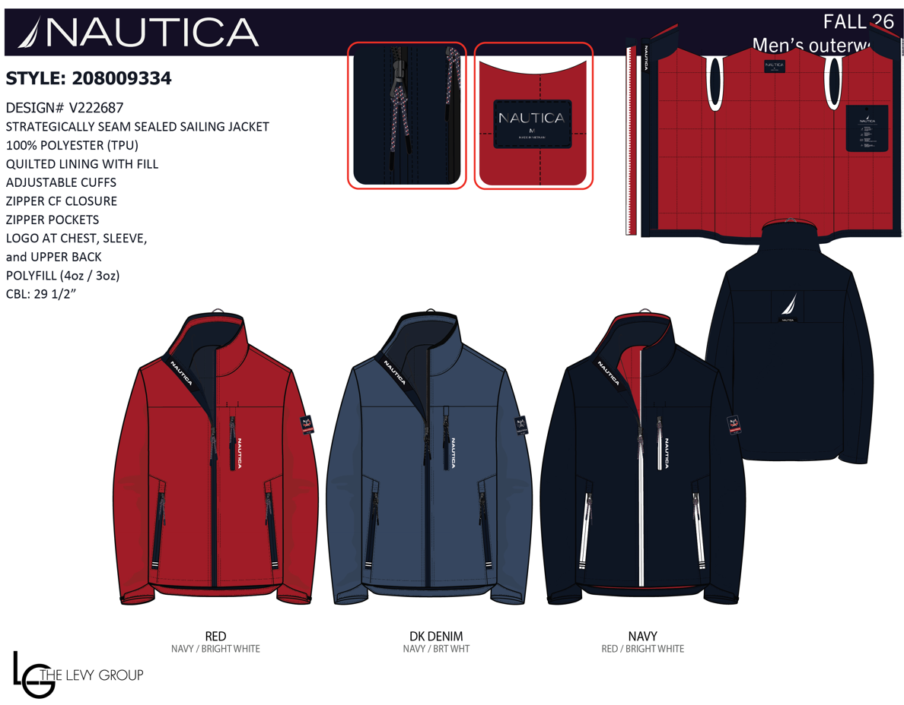
NAUTICA MENS | 208009334 | STRATEGICALLY SEAM SEALED SAILING JACKETSAILING JACKET | DDN | DKDENIM | S | 178
NAUTICA MENS | 208009334 | STRATEGICALLY SEAM SEALED SAILING JACKETSAILING JACKET | DDN | DKDENIM | M | 556
NAUTICA MENS | 208009334 | STRATEGICALLY SEAM SEALED SAILING JACKETSAILING JACKET | DDN | DKDENIM | L | 1,051
NAUTICA MENS | 208009334 | STRATEGICALLY SEAM SEALED SAILING JACKETSAILING JACKET | DDN | DKDENIM | XL | 1,225
NAUTICA MENS | 208009334 | STRATEGICALLY SEAM SEALED SAILING JACKETSAILING JACKET | DDN | DKDENIM | XXL | 637
NAUTICA MENS | 208009334 | STRATEGICALLY SEAM SEALED SAILING JACKETSAILING JACKET | NVY | NAVY | S | 431
NAUTICA MENS | 208009334 | STRATEGICALLY SEAM SEALED SAILING JACKETSAILING JACKET | NVY | NAVY | M | 1,308
NAUTICA MENS | 208009334 | STRATEGICALLY SEAM SEALED SAILING JACKETSAILING JACKET | NVY | NAVY | L | 2,523
NAUTICA MENS | 208009334 | STRATEGICALLY SEAM SEALED SAILING JACKETSAILING JACKET | NVY | NAVY | XL | 3,103
NAUTICA MENS | 208009334 | STRATEGICALLY SEAM SEALED SAILING JACKETSAILING JACKET | NVY | NAVY | XXL | 1,618
NAUTICA MENS | 208009334 | STRATEGICALLY SEAM SEALED SAILING JACKETSAILING JACKET | RED | RED | S | 145
NAUTICA MENS | 208009334 | STRATEGICALLY SEAM SEALED SAILING JACKETSAILING JACKET | RED | RED | M | 454
NAUTICA MENS | 208009334 | STRATEGICALLY SEAM SEALED SAILING JACKETSAILING JACKET | RED | RED | L | 865
NAUTICA MENS | 208009334 | STRATEGICALLY SEAM SEALED SAILING JACKETSAILING JACKET | RED | RED | XL | 1,054
NAUTICA MENS | 208009334 | STRATEGICALLY SEAM SEALED SAILING JACKETSAILING JACKET | RED | RED | XXL | 547
 | 208009334 Total |  |  |  |  | 15,695
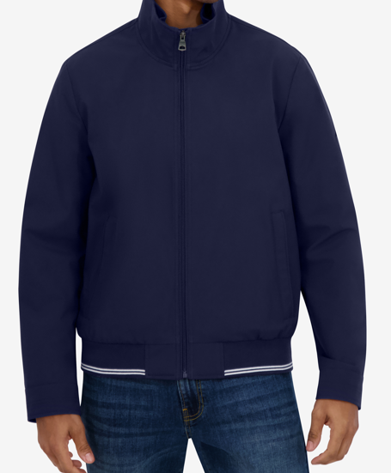
NAUTICA MENS | 208003350 | BOMBER JACKET | BLK | BLACK | S | 8
NAUTICA MENS | 208003350 | BOMBER JACKET | BLK | BLACK | M | 101
NAUTICA MENS | 208003350 | BOMBER JACKET | BLK | BLACK | L | 116
NAUTICA MENS | 208003350 | BOMBER JACKET | BLK | BLACK | XL | 99
NAUTICA MENS | 208003350 | BOMBER JACKET | BLK | BLACK | XXL | 18
NAUTICA MENS | 208003350 | BOMBER JACKET | NSS | NAVY SEAS | S | 6
NAUTICA MENS | 208003350 | BOMBER JACKET | NSS | NAVY SEAS | M | 100
NAUTICA MENS | 208003350 | BOMBER JACKET | NSS | NAVY SEAS | L | 113
NAUTICA MENS | 208003350 | BOMBER JACKET | NSS | NAVY SEAS | XL | 113
NAUTICA MENS | 208003350 | BOMBER JACKET | NSS | NAVY SEAS | XXL | 34

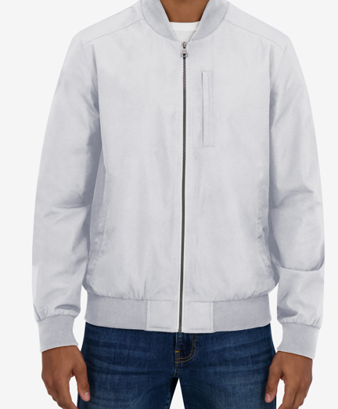
 | 208003350 Total |  |  |  |  | 708
NAUTICA MENS | 208003355 | FLIGHT JACKET | BLK | BLACK | S | 3
NAUTICA MENS | 208003355 | FLIGHT JACKET | BLK | BLACK | M | 57
NAUTICA MENS | 208003355 | FLIGHT JACKET | BLK | BLACK | L | 141
NAUTICA MENS | 208003355 | FLIGHT JACKET | BLK | BLACK | XL | 126
NAUTICA MENS | 208003355 | FLIGHT JACKET | BLK | BLACK | XXL | 36
NAUTICA MENS | 208003355 | FLIGHT JACKET | CLG | CLOUD GREY | S | 4
NAUTICA MENS | 208003355 | FLIGHT JACKET | CLG | CLOUD GREY | M | 23
NAUTICA MENS | 208003355 | FLIGHT JACKET | CLG | CLOUD GREY | L | 47
NAUTICA MENS | 208003355 | FLIGHT JACKET | CLG | CLOUD GREY | XL | 33
NAUTICA MENS | 208003355 | FLIGHT JACKET | CLG | CLOUD GREY | XXL | 32
NAUTICA MENS | 208003355 | FLIGHT JACKET | NVY | NAVY | M | 74
NAUTICA MENS | 208003355 | FLIGHT JACKET | NVY | NAVY | L | 137
NAUTICA MENS | 208003355 | FLIGHT JACKET | NVY | NAVY | XL | 135
NAUTICA MENS | 208003355 | FLIGHT JACKET | NVY | NAVY | XXL | 44
 | 208003355 Total |  |  |  |  | 892
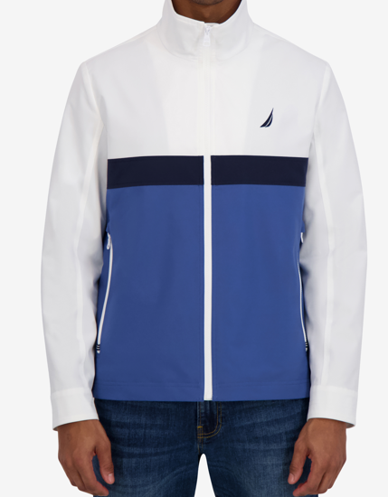
NAUTICA MENS | 208003376 | COLOR BLOCKED TRANSITIONAL JACKET | BGI | BRIGHT WHITE | S | 5
NAUTICA MENS | 208003376 | COLOR BLOCKED TRANSITIONAL JACKET | BGI | BRIGHT WHITE | M | 2
NAUTICA MENS | 208003376 | COLOR BLOCKED TRANSITIONAL JACKET | BGI | BRIGHT WHITE | L | 27
NAUTICA MENS | 208003376 | COLOR BLOCKED TRANSITIONAL JACKET | BGI | BRIGHT WHITE | XL | 28
NAUTICA MENS | 208003376 | COLOR BLOCKED TRANSITIONAL JACKET | BGI | BRIGHT WHITE | XXL | 17
NAUTICA MENS | 208003376 | COLOR BLOCKED TRANSITIONAL JACKET | NSS | NAVY SEAS | XL | 14
NAUTICA MENS | 208003376 | COLOR BLOCKED TRANSITIONAL JACKET | NSS | NAVY SEAS | XXL | 2

 | 208003376 Total |  |  |  |  | 93
 | Grand Total |  |  |  |  | 112,199

